Dala Sales & Deliveries
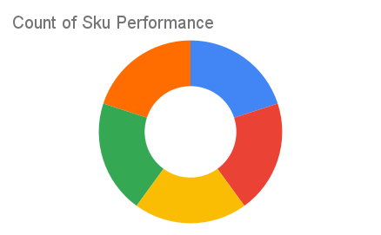
Total Invoices Delivered | 5.00 | Sku Performance | Units | Value
Unique Locations Supplied | 5.00 | 350ml Orisirisi Wallnut Drink (12x) | 0.00 | 0.00
Total Value of orders | 142,800.00 | 350ml Orisirisi Wallnut with Ginger Drink (12x) | 2.00 | 43,200.00
 |  | 500ml Orisirisi Tiger Nut Drink (12x) | 1.00 | 27,600.00
 |  | 500ml Orisirisi Zobo Drink (12x) | 1.00 | 24,000.00
 |  | 500ml Orisirisi Zobo with Date Drink (12x) | 2.00 | 48,000.00
 |  |  | 0.00 | 0.00
 |  |  | 0.00 | 0.00
 |  |  | 0.00 | 0.00
 |  |  | 0.00 | 0.00
 |  |  | 0.00 | 0.00
 |  |  | 0.00 | 0.00
 |  |  | 0.00 | 0.00

